1. Title Page
[Grocery Basket Analysis]

Project Name: Instacart Grocery Basket Analysis
Date: August 4, 2023
Analyst Name: Ryan Lee

Contents:
Population Flow
Consistency checks
Wrangling steps
Column derivations
Visualizations
Recommendations

Data Citation:
“The Instacart Online Grocery Shopping Dataset 2017”, Accessed from | www.instacart.com/datasets/grocery-shopping-2017 | via | Kaggle | on July 17, 2023.

2. Population Flow
Title page

Population flow

Exclusion flag
Condition: max_order < 5
Obervations to be removed: 1,440,295
Final total count of order_products_all: 30,964,564 x 37

Orders_products_combined
Orders_products_merged
Orders_products_all

Total: 32,434,489 x 9 joined on order_id
Total: 32,404,859 x 13 joined on product_id
Total: 32,404,859 x 20 joined on user_id

3. Consistency checks
 |  |  |  | Title page
Consistency checks

Dataset | Missing values | Missing values treatment | Duplicates
orders | days_since_prior_order: 206,209 | No action taken because missing values were associated with first time orders | None found
products | product_name: 16 | Unable to determine the values of the product_name; therefore, the 16 records without a product_name were removed | 5 duplicated records removed
orders_products_prior | None found |  | None found
customers | None found |  | None found

4. Wrangling steps
 |  |  |  | Title page
Wrangling steps

Columns dropped | Columns renamed | Columns' type changed | Comment/Reason
orders: eval_set |  |  | unnecessary for analysis
 | orders: order_dow to orders_day_of_week |  | dow is obscure; day of week is clear
customers: First Name |  |  | personally identifiable information
customers: Surnam |  |  | personally identifiable information
 | customers: STATE to state |  | standard naming convention
 | customers: Age to age |  | standard naming convention
 | customers: Gender to gender |  | standard naming convention
 |  | orders: order_id to 32-bit unsigned integer | More optimal data type
 |  | orders: user_id to 32-bit unsigned integer | More optimal data type
 |  | orders: order_number to 8-bit unsigned integer | More optimal data type
 |  | orders: orders_day_of_week to 8-bit unsigned integer | More optimal data type
 |  | orders: order_hour_of_day to 8-bit unsigned integer | More optimal data type
 |  | orders: days_since_prior_order to 8-bit unsigned integer | More optimal data type
 |  | orders_products_prior: order_id to 32-bit unsigned integer | More optimal data type
 |  | orders_products_prior: product_id to 16-bit unsigned integer | More optimal data type
 |  | orders_products_prior: add_to_cart_order to 8-bit unsigned integer | More optimal data type
 |  | orders_products_prior: reordered to 8-bit unsigned integer | More optimal data type
 |  | products: product_id to 16-bit unsigned integer | More optimal data type
 |  | products: aisle_id to 8-bit unsigned integer | More optimal data type
 |  | products: department_id to 8-bit unsigned integer | More optimal data type
 |  | products: prices to 16-bit float | More optimal data type
 |  | customers: user_id to 32-bit unsigned integer | More optimal data type
 |  | customers: age to 8-bit unsigned integer | More optimal data type
 |  | customers: n_dependants to 8-bit unsigned integer | More optimal data type
 |  | customers: income to 32-bit unsigned integer | More optimal data type
 |  | customers: date_joined to datetime | More optimal data type

5. Column derivations
 |  |  |  |  | Title page

Column derivations and aggregations

Dataset | New column | Column(s) it was derived from | Conditions | Frequencies of Flags
orders_products_all.pkl | week | orders_day_of_week | Weekend: orders made on Saturday and Sunday Weekday: orders made on Monday, Tuesday, Wednesday, Thursday, or Friday | Weekday: 20,540,447 Weekend: 11,864,412
orders_products_all.pkl | max_order | user_id, order_number | Obtain max order_number from each user_id
orders_products_all.pkl | loyalty_status | max_order | New customer: max_order <= 10 Regular customer: 10 < max_order <= 40 Loyal customer: max_order > 40 | Regular customer: 15,876,776 Loyal customer: 10,284,093 New customer: 6,243,990
orders_products_all.pkl | mean_spent | user_id, prices | Obtain mean price spent for each user_id
orders_products_all.pkl | spender_status | mean_spent | Low spender: mean_spent < 10 High spender: mean_spent >= 10 | Low spender: 32,285,424 High spender: 119,435
orders_products_all.pkl | region | state | South: Delaware, Maryland, District of Columbia, Virginia, West Virginia, North Carolina, South Carolina, Georgia, Florida, Kentucky, Tennessee, Mississippi, Alabama, Oklahoma, Texas, Arkansas, Louisiana West: Idaho, Montana, Wyoming, Nevada, Utah, Colorado, Arizona, New Mexico, Alaska, Washington, Oregon, California, Hawaii Midwest: Wisconsin, Michigan, Illinois, Indiana, Ohio, North Dakota, South Dakota, Nebraska, Kansas, Minnesota, Iowa, Missouri Northeast: Maine, New Hampshire, Vermont, Massachusetts, Rhode Island, Connecticut, New York, Pennsylvania, New Jersey | South: 10,791,885 West: 8,292,913 Midwest: 7,597,325 Northeast: 5,722,736
orders_products_all.pkl | price_range | prices | Low-range product: prices <= 5 Mid-range product: 5 < prices <= 15 High-range product: prices > 15 | Mid-range product: 21,861,558 Low-range product: 10,130,750 High-range product: 412,551
orders_products_all.pkl | median_days_since | user_id, days_since_prior_order | Obtain median of days_since_prior_order for each user_id
orders_products_all.pkl | frequency_status | median_days_since_prior_order | Frequent customer: median_days_since <= 10 Regular customer: 10 < median_days_since <= 20 Non-frequent customer: median_days_since > 20 | Frequent customer: 21,559,853 Regular customer: 7,208,564 Non-frequent customer: 3,636,437
orders_products_all.pkl | profile | fam_status | One-person household: single, divorced/widowed, or living with parents and siblings person with no dependants Single parent: single, divorced/widowed, or living with parents person with at least one dependant Family: married person with at most one dependant Big family: married person with at least two dependants | One-person household: 7,739,681 Single parent: 1,481,172 Family: 7,211,061 Big Family: 14,532,650
orders_products_all.pkl | age_category | age | Youthful: age < 30 Adult: 30 <= age < 60 Senior: age >= 60 | Youthful: 5,817,603 Adult: 14,572,457 Senior: 10,574,504
orders_products_all.pkl | income_bracket | income | Low income: income < 70,000 Regular income: 70,000 <= income <= 200,000 High income: income > 200,000 | Low income: 8,520,533 Regular income: 22,189,889 High income: 254,142
orders_products_all.pkl | mode_day_order | user_id, orders_day_of_week | Obtain the day on which each customer makes orders most frequently
orders_products_all.pkl | weekday_engagement | mode_day_order | Active on weekends: made_day_order is on Saturday or Sunday Active on weekdays: mode_day_order is on Monday, Tuesday, Wednesday, Thursday, or Friday | Active on weekends: 14,841,119 Active on weekdays: 16,123,445
orders_products_all.pkl | mode_hour_order | user_id, order_hour_of_day | Obtain the hour on which each customer makes orders most frequently
orders_products_all.pkl | time_day_engagement | mode_hour_order | During business hours: mode_hour_order is between 8am-5pm Beyond business hours: mode_hour_order is not between 8am-5pm | During business hours: 25,635,740 Beyond business hours: 5,328,824

6. Visualizations
 |  |  |  |  |  |  |  |  |  |  |  |  | Title page

Visualisations

Questions: | Answers: | Visualizations:

1. Orders

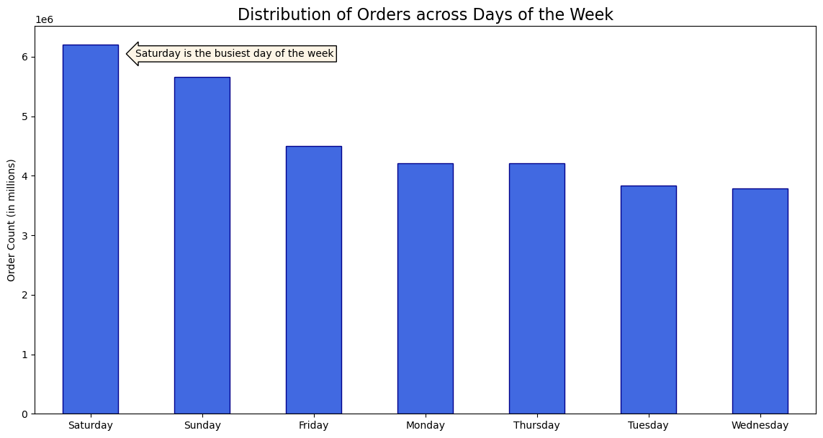
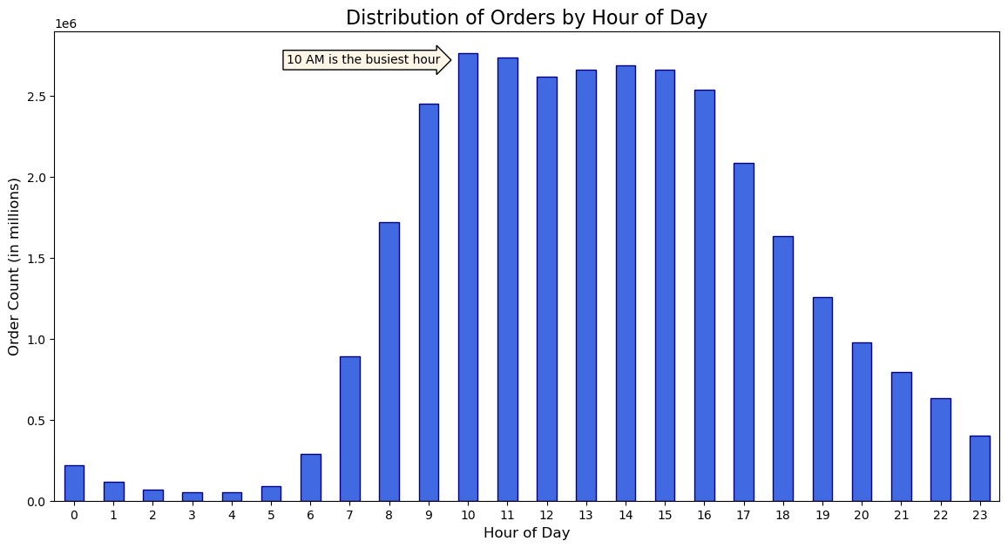
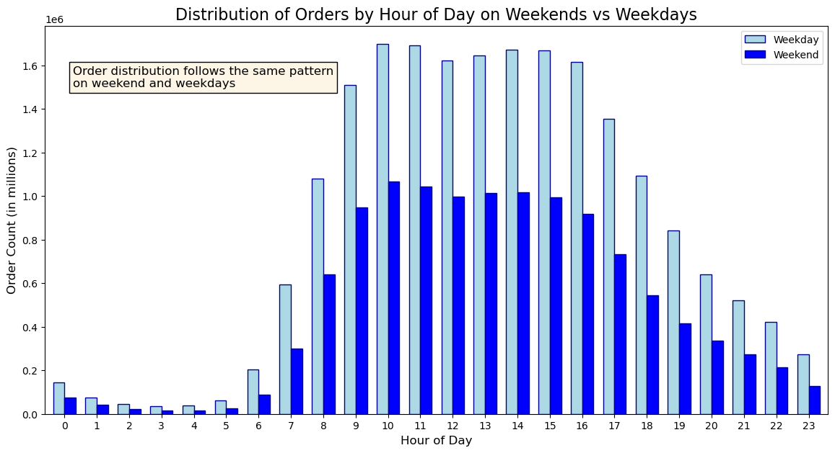
What are the busiest days of the week and hours of the day (i.e., the days and times with the most orders)? | The largest number of orders occur on the weekends (Saturday and Sunday).
 | The largest number of orders occur at 10AM. This is both true for the weekday and weekends.

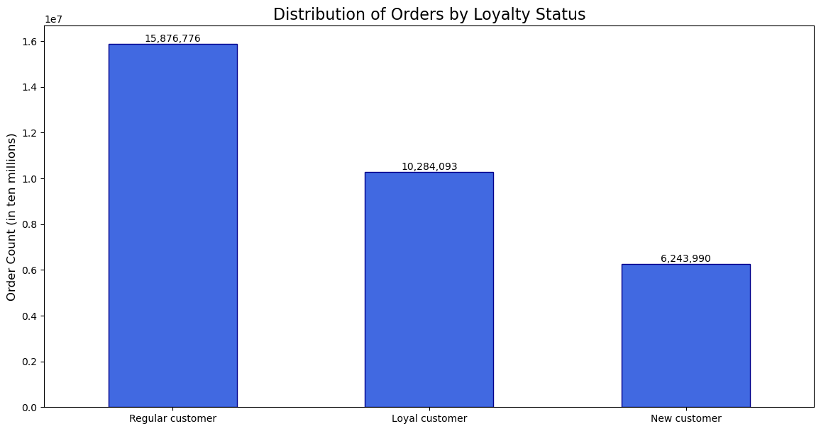
Are there differences in ordering habits based on a customer's loyalty status? | The majority of orders are placed by regular customers who have made between 10 and 40 orders. While loyal customers tend to place a higher number of orders individually, the total number of regular customers is significantly larger. Consequently, this group collectively generates the highest total number of orders.

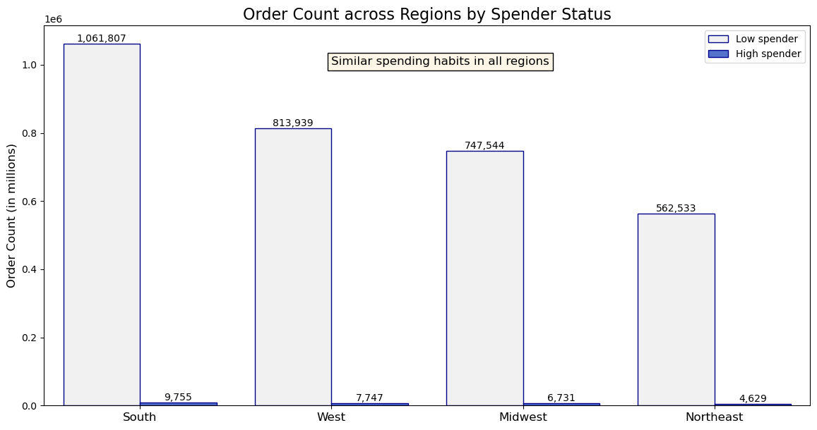
Which region has the most orders by spending habits - high spenders vs low spenders? | Overall, the distribution of orders across regions aligns with the population distribution. The South, being the most densely populated region, records the highest number of orders, while the Northeast, with a lower population, has the lowest order count in our database. This suggests that the demand for the service is relatively consistent across all regions of the country.

2. Products

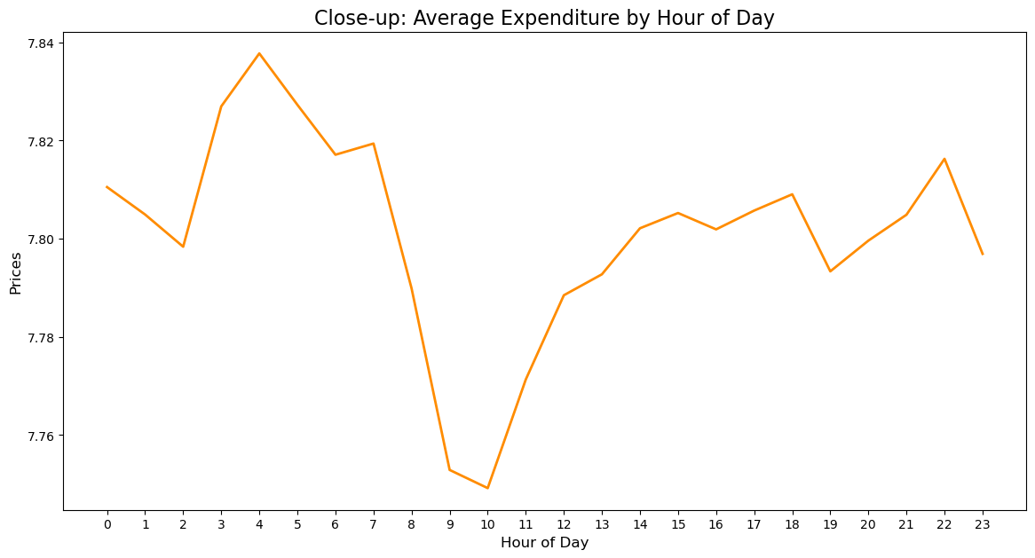
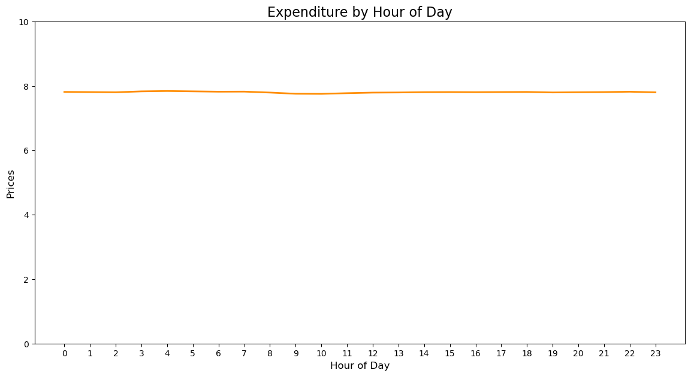
Is there a difference in expenditure depending on the hour of the day? | Upon closer examination using a detailed line plot, it becomes evident that the variation between the lowest and highest values is approximately 10 cents. This indicates that, excluding the instances of exceptionally high prices, the overall expenditure remains relatively steady throughout the day.

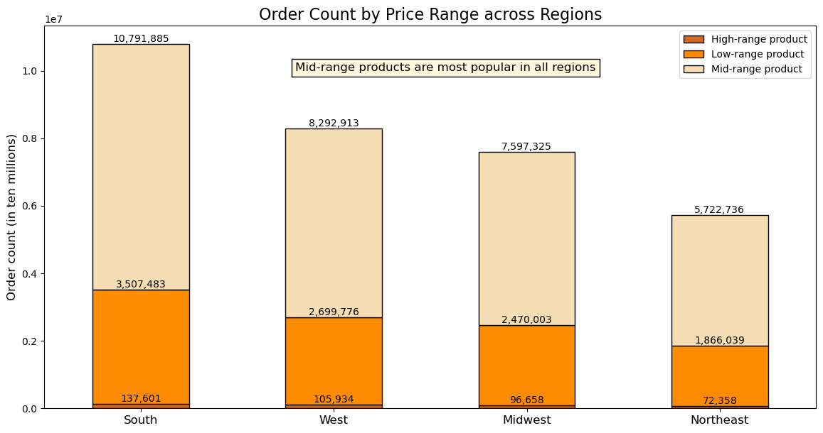
Which price range of products has the highest popularity nationwide? | Mid-range products, falling within the price range of $5 to $15, consistently take the lead in terms of popularity across all regions.

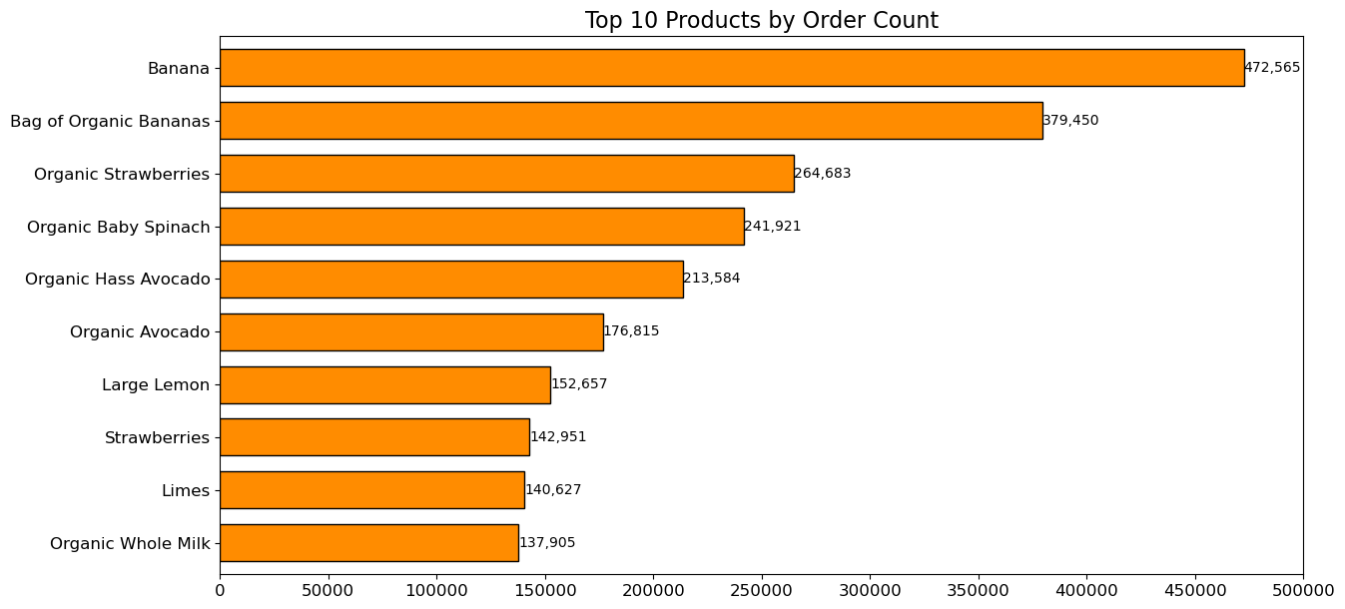
Are there certain types of products that are more popular than others? | Here are the top 10 most popular products, with bananas being the most popular of them all.

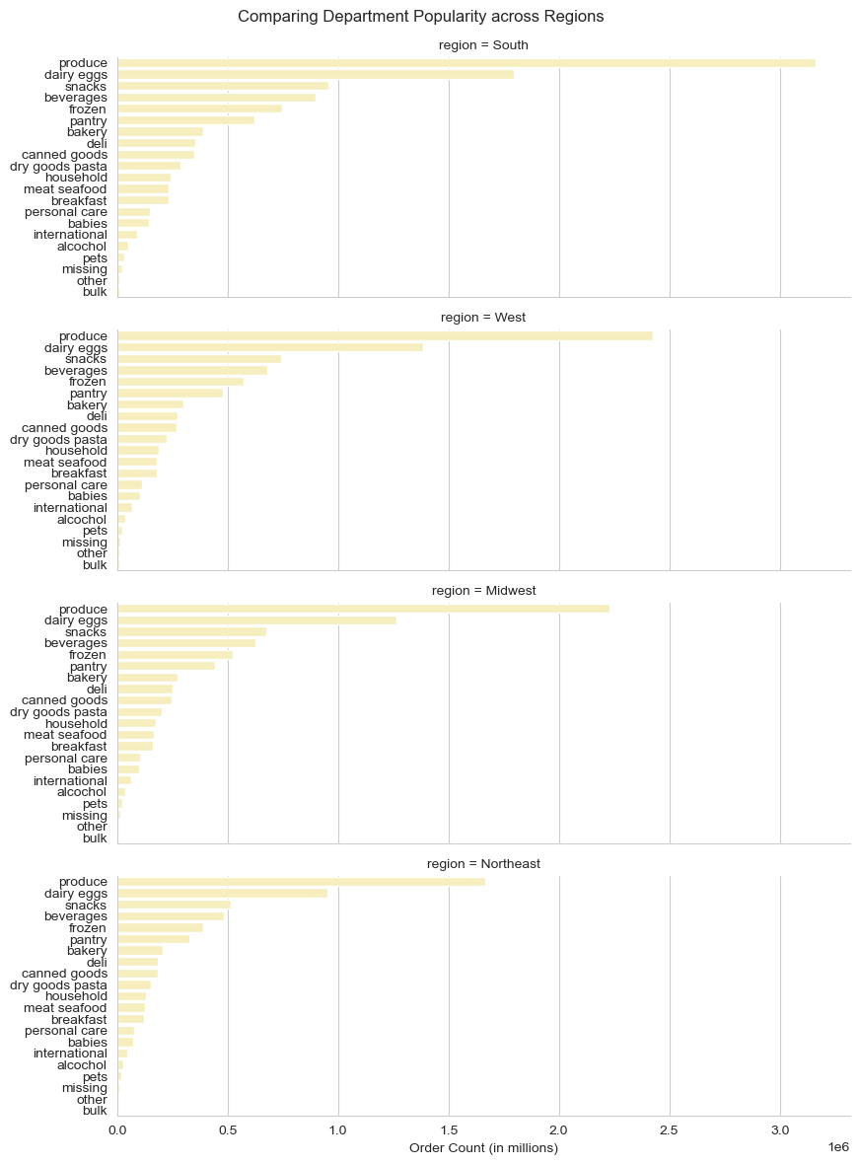
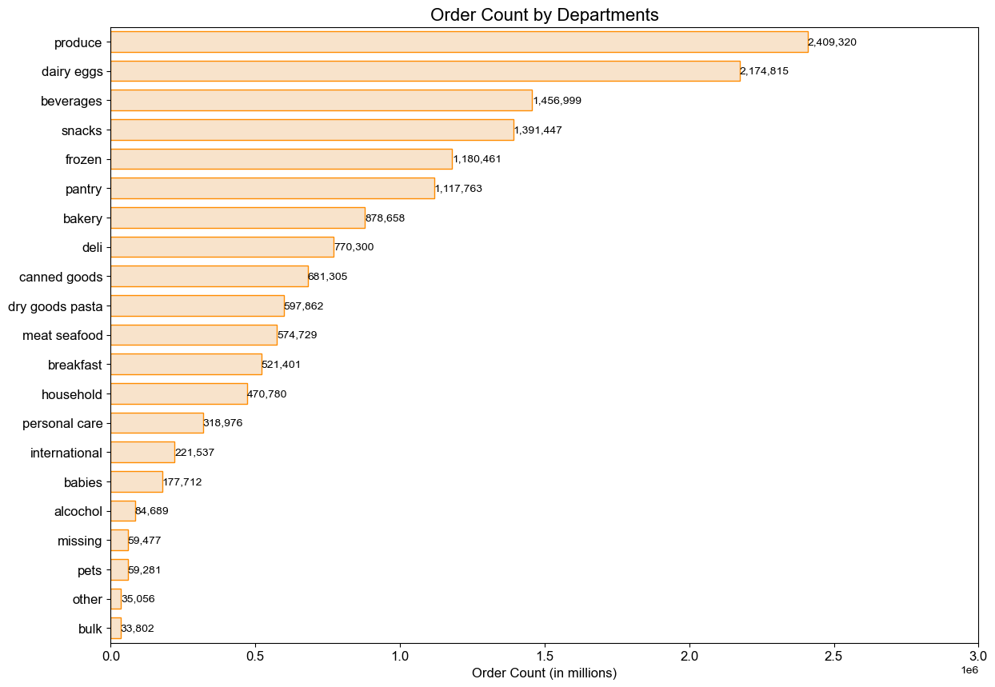
Which departments have the highest frequency of product orders? | The produce department is the most commonly ordered category of products, followed by dairy and eggs, which is the second most popular department.
How does this vary across regions? | The most popular departments are consistent across all regions.

3. Customers
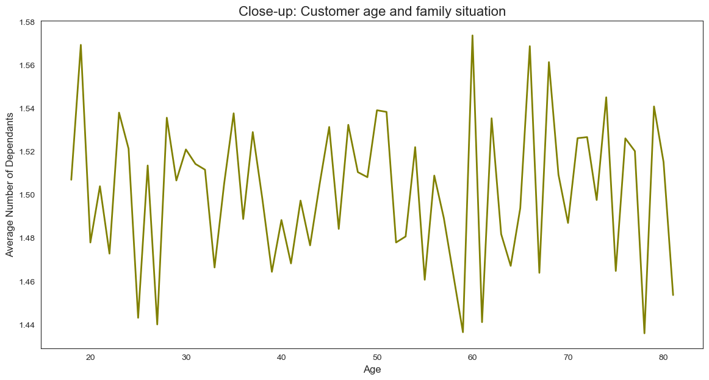
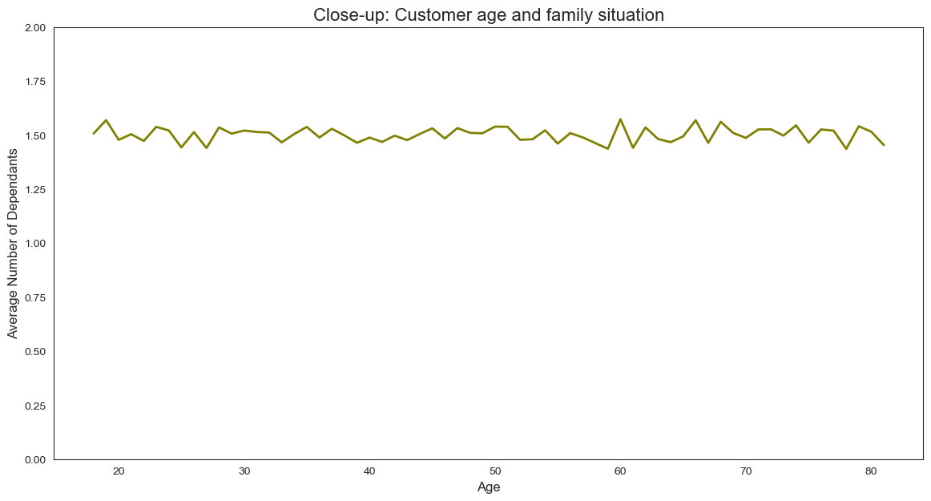
Is there a connection between age and the number of dependants? | The absence of a correlation between age and the number of dependents appears unusual. In typical scenarios, we wouldn't anticipate both young and elderly users having the same number of dependents. This is due to the customer data set being fabricated by CareerFoundry in service of learning.

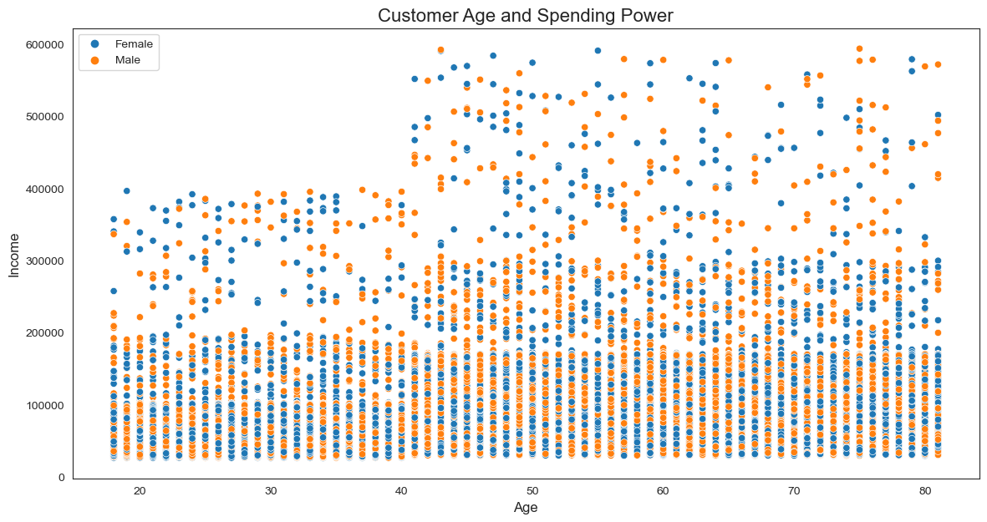
Is there a connection between age and spending power (income)? | The scatterplot reveals that most customers, regardless of age, have an income below 200k. However, there is a notable increase in the proportion of customers earning between 200k and 400k once they reach the age of 40 and older. Additionally, customers aged 40 and above are the only group with individuals earning between 400k and 600k.

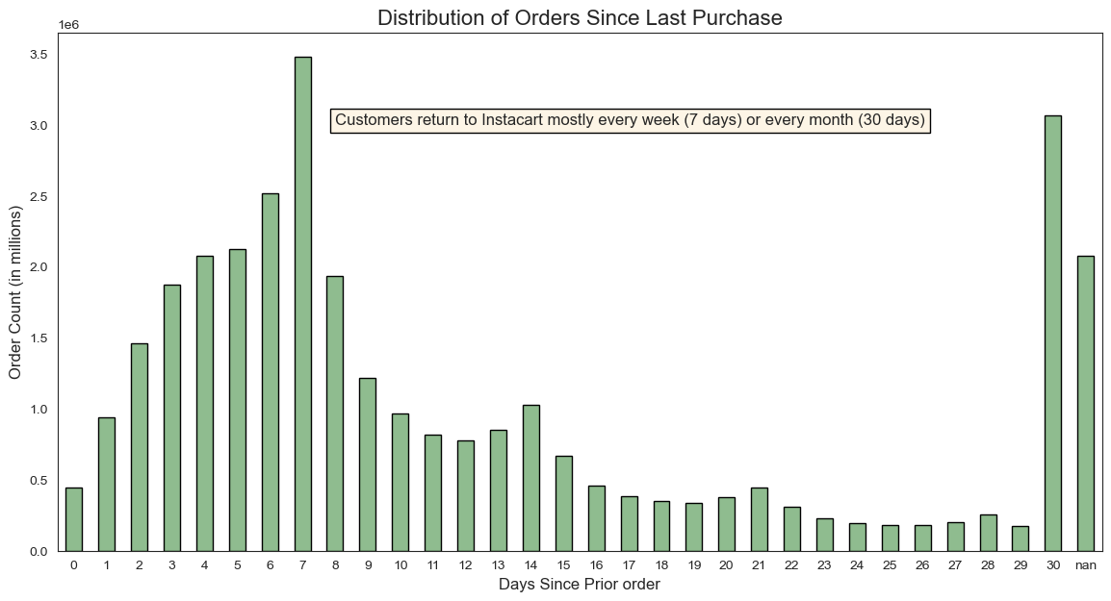
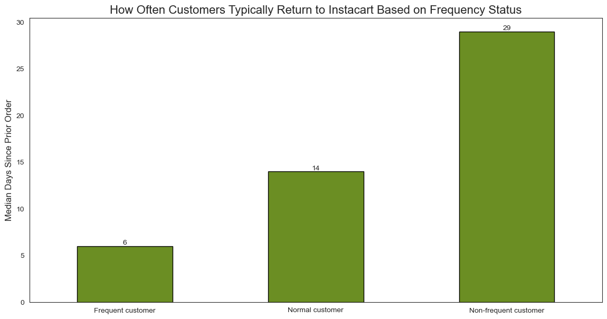
How often do customers return to Instacart? | Customers return to Instarcart mostly every 7 days or every 30 days, indicating that customers shop every week or every month for products.
 | Frequent customers, who typically return to order in 10 days or fewer, have an average return of 6 days. Normal customers, who typically return to order between 11 and 20 days, have an average return of 14 days. Non-frequent customers, who typically return to order after 20 days, have an average return of 29 days.

3.1 Customer Profiling

In alignment with directives from the marketing and business strategy the following four customer profiles were created to enable grouping and analysis of the data.
One-person household (single, divorced/widowed, or living with parents and siblings person with no dependants)
Single parent (single, divorced/widowed, or living with parents person with one or more dependants)
Family (married person with a maximum of one dependant)
Big family (married person with two and more dependants)
Each profile can be further analysed by:
Age Category:
Youthful (18-30 years)
Adult (30-60 years)
Senior (over 60 years)
Income Bracket:
Lower income (<70000)
Regular income (70000-200000)
High income (>200000)
(Note: These groupings are predicated on the data distribution within the current dataframe and do not correlate with income classifications specified by the World Bank or other financial institutions.)
Weekday engagement:
Active on weekends (most of orders were placed during weekend - days 0 and 1)
Active on weekdays (most of orders were placed during weekdays - days 2-6)
Time of day engagement:
During business hours (most of orders were recorded between 8 AM and 5 PM, aligning with typical business hours.)
Beyond business hours (most of orders were recorded between 12 AM and 7 AM, as well as between 6 PM and 11 PM, which fall outside conventional business hours)
Create new variables to enable grouping and profiling of customers.

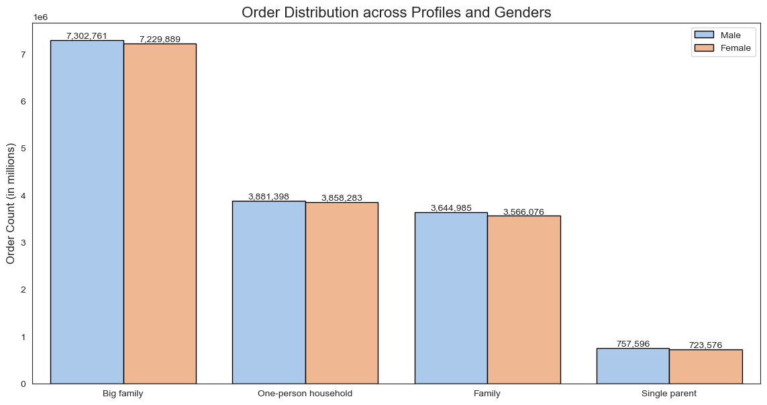
What differences can you find in ordering habits of different customer profiles? | When we look at the information across various aspects, we notice that, except for single parents, all types of users have similar characteristics in terms of age and income. Furthermore, their shopping behaviors on different days of the week and hours of the day also show consistent patterns.
 | Based on these findings, we can deduce that the average Instacart user is typically a married man with two or more children, and a regular income. They tend to do almost half of their shopping on weekends and are most active between 8 AM and 5 PM.

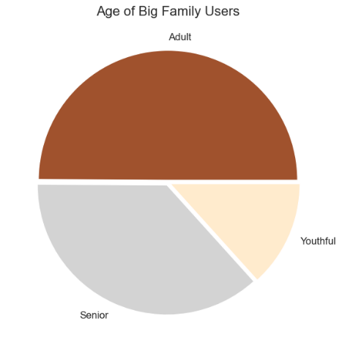
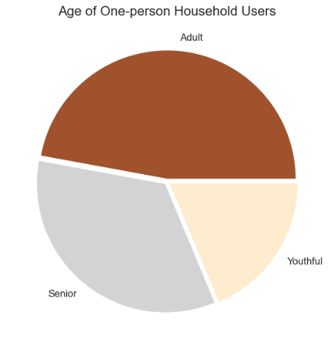
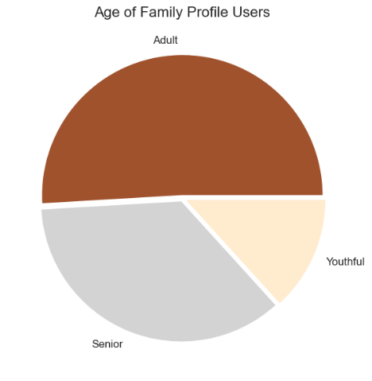
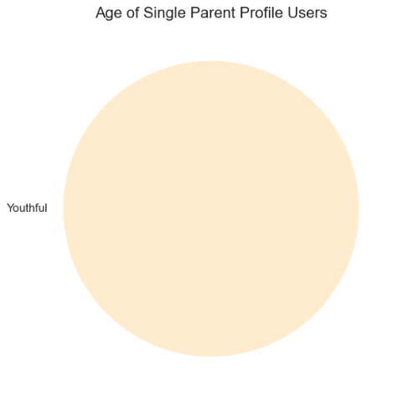

Age

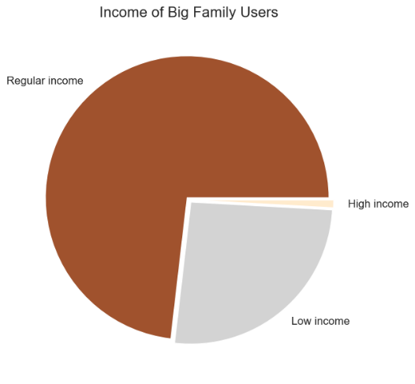
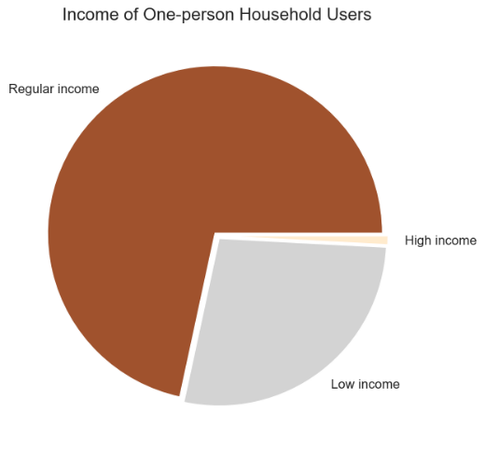

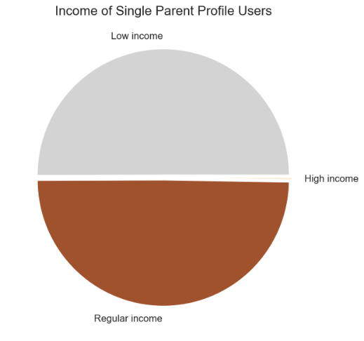

Income

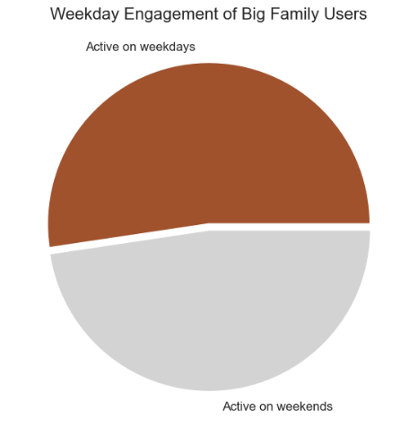
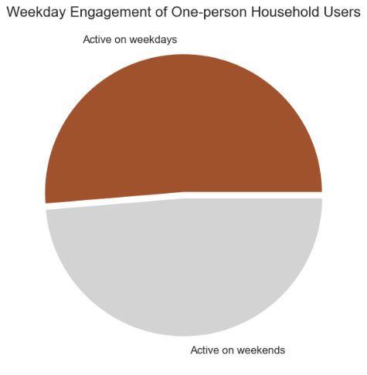

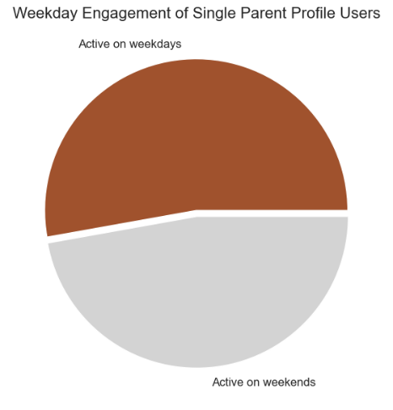

Activity by weekdays

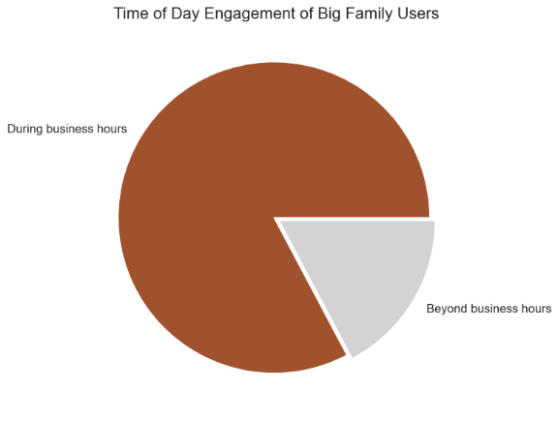


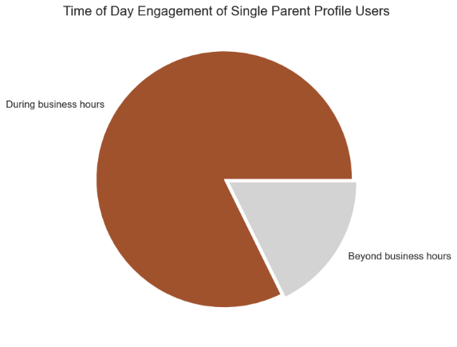

Activity by
hour of day

Due to the unnaturally even distribution of data in the user dataset, we hardly see any difference between the minimum, maximum, and average usage frequency and expenditure across all profiles. This is due to the customer data set being fabricated by CareerFoundry in service of learning.
Aggregate the minx, max, mean, and median variables on |  |  |  |  | days_since_prior_order |  |  |  | prices
a customer-profile level |  |  |  |  | min | max | mean | median | min | max | mean | median
 |  |  | profile | gender
 |  |  | Big family | Female | 0 | 30 | 10.8 | 7 | 1 | 25 | 7.78 | 7.40
 |  |  |  | Male | 0 | 30 | 10.8 | 7 | 1 | 25 | 7.79 | 7.40
 |  |  | Family | Female | 0 | 30 | 10.8 | 7 | 1 | 25 | 7.79 | 7.40
 |  |  |  | Male | 0 | 30 | 10.8 | 8 | 1 | 25 | 7.80 | 7.40
 |  |  | One-person household | Female | 0 | 30 | 10.8 | 7 | 1 | 25 | 7.79 | 7.40
 |  |  |  | Male | 0 | 30 | 10.8 | 7 | 1 | 25 | 7.79 | 7.40
 |  |  | Single parent | Female | 0 | 30 | 10.8 | 7 | 1 | 25 | 7.79 | 7.40
 |  |  |  | Male | 0 | 30 | 10.7 | 7 | 1 | 25 | 7.81 | 7.40

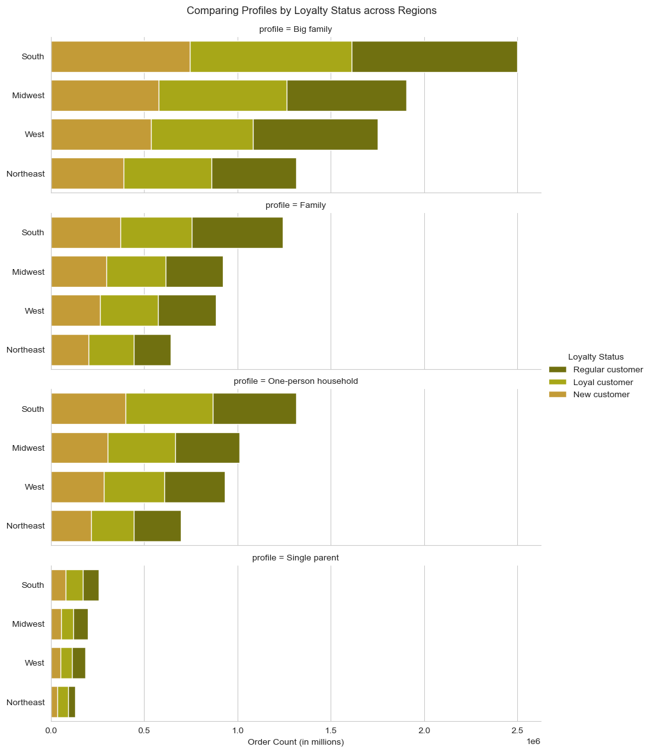
What is the distribution of orders by customer profile across regions? | When it comes to customer loyalty status, behavior remains consistent across all regions and user profiles.

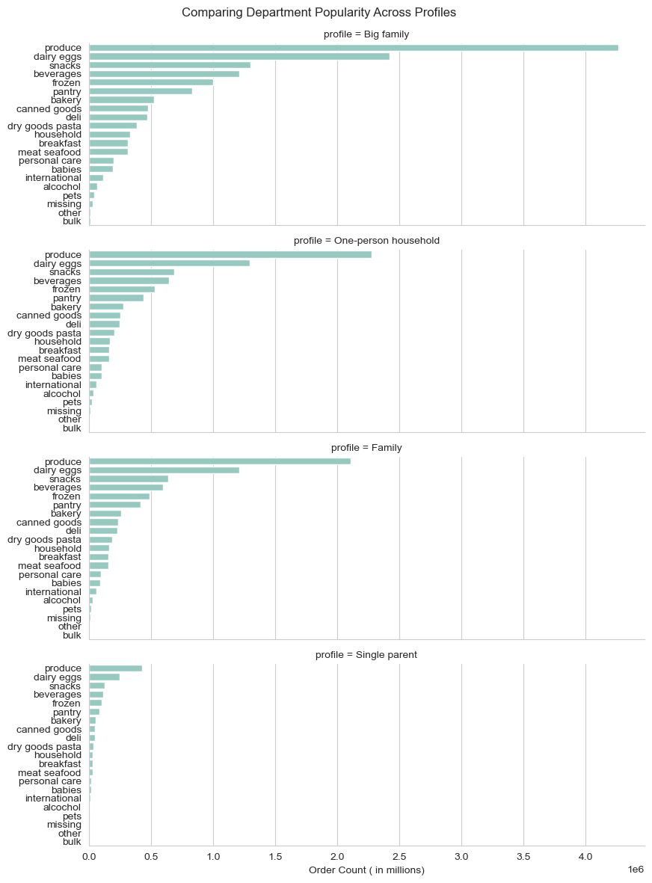
What departments are most popular for different profiles? | While one might anticipate that individuals from different types of households would have varied product preferences, it's worth noting that the data distribution among these user groups appears surprisingly similar. This is likely due to the customer data set being fabricated by CareerFoundry in service of learning.

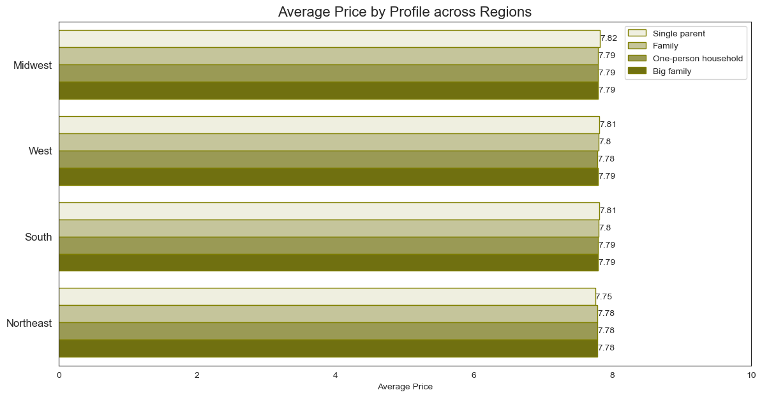
What is the average price of products ordered by people with different family status in different regions? | The average price of products ordered by customers, regardless of their profiles or regions, is almost identical, ranging between $7.75 and $7.82.

7. Recommendations
 |  | Title page

Recommendations

Insights: | Recommendations:

1. Orders

About half of all orders get placed on weekends, when people tend to have more time for grocery shopping. | To boost user activity during the weekdays, Instacart could introduce and promote services for very quick shopping that could be done in between work tasks.

The distribution of orders across different regions in relation to the population follows the same pattern. | The app is equally popular in all regions. South and West, as the most populated regions, offer more room for growth and should be prioritized if necessary.

The average price of ordered products remains consistent throughout different hours of the day, user profiles, and geographic regions. | To make customers buy more at once, you can suggest products that usually go together. You can also recommend things based on recipes. Think about teaming up with cooking websites to make shopping lists for specific meals or occasions. This way, customers can easily order everything they need for a dish or special event.

The majority of orders come from users who have placed between 10 and 40 orders. | To boost the number of regular customers who become loyal members of Instacart+ and keep them engaged, think about encouraging them with a special, lower membership fee. Right now, we offer a discounted rate for new members. We could also provide this reduced fee as a reward when customers reach a certain number of orders or spend a specific amount of money. This way, you could encourage loyalty and show our appreciation to dedicated users.

2. Products

The popularity of departments remains the same across all regions and user profiles. | Retail partners are the ones who decide how much items cost on Instacart. While most retailers keep their online prices similar to their in-store prices, some may choose to have different prices on the Instacart platform. To boost sales, think about discussing the possibility of reducing prices for the most popular items and item types, either temporarily or for the duration of a marketing campaign.

3. Customers

The largest group of Instacart customers consists of married individuals with two or more children. | Parents with children are likely to find Instacart services particularly advantageous. The concept of saving time and effort on grocery shopping is especially appealing to those with a larger number of dependents. However, it's essential to extend the promotion of the convenience of online shopping to other user groups as well. Leveraging social media can be an effective way to engage with a younger audience and tailor messages to specific user categories, such as single parents, highlighting how Instacart can simplify their lives too.

Instacart users, regardless of their profiles, share common traits when it comes to age and income. Additionally, their shopping habits on various days of the week and at different times of the day exhibit consistent patterns. | To draw in new customers from various backgrounds, consider broadening the range of customer images featured in your marketing materials. Include individuals of different ages and family compositions to make your messaging more inclusive and relatable to a wider audience.

The popularity of departments remains consistently similar across all user profiles. | It's a good idea to customize product recommendations for different customer profiles. You can utilize various marketing platforms to highlight specific types of products to particular customer segments. For instance, consider promoting baby products on websites and forums dedicated to parents. This approach can help target customers more effectively and cater to their specific needs and preferences.

Among users, those under 30 years old make up the smallest age category. | Utilize social media as a platform to connect with a younger audience, and explore the possibility of collaborating with influencers to promote the Instacart service.

Single parents constitute the least represented user profile among our customers. | It may be beneficial to conduct further research to explore the preferences and behaviors of single-parent households to better understand their unique needs and potentially develop tailored strategies to engage this segment of users.

